Sheet1
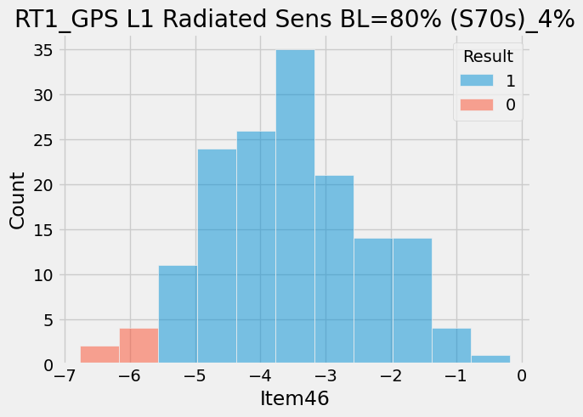
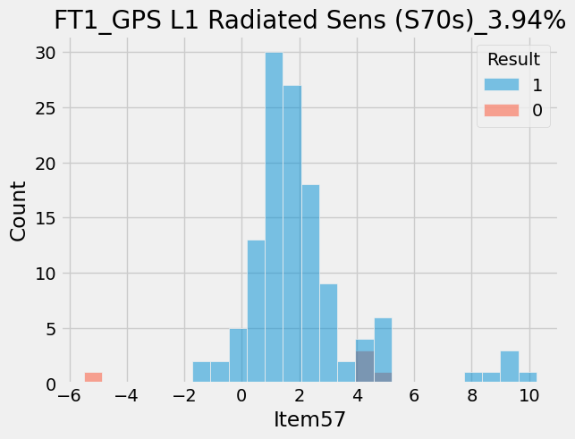
ItemNameType | ProcessType | Item | ItemName | CountCountESN | Retest | CountESN
16528 | Approach_S70_FT2_ALS | 194 | VEXT Current (LPM Mode) | 24/127 | 18.9 | 127
16528 | Approach_S70_FT2_ALS | 12 | Charging Status (Enable) | 21/127 | 16.54 | 127
8837 | Airtight_table | 129 | 變形量絕對值超出規格_常壓 | 20/127 | 15.75 | 127
16528 | Approach_S70_FT2_ALS | 171 | BLE Power Sensitivity | 15/127 | 11.81 | 127
16528 | Approach_S70_FT2_ALS | 172 | VEXT Charging Current (S70s) | 15/127 | 11.81 | 127
16528 | Approach_S70_FT2_ALS | 173 | USB Connection (Reverse) | 12/127 | 9.45 | 127
16199 | ApproachS70_RTESN | 12 | GPS L1 Radiated Power (S70s) | 13/150 | 8.67 | 150
8837 | Airtight_table | 118 | 連續斜率異常_負壓 | 11/127 | 8.66 | 127
16528 | Approach_S70_FT2_ALS | 209 | ALS Luminance (WLED ON/After Calibration) | 8/127 | 6.3 | 127
16519 | Approach_S70_RT2_ALS | 33 | (FSP) ADC Response (20mA) LED1A_PD1 AVG | 9/149 | 6.04 | 149
16519 | Approach_S70_RT2_ALS | 98 | ALS Luminance (WLED ON) (S70s) | 9/149 | 6.04 | 149
16517 | Approach_S70_HT | 42 | Barometer Temperature Accuracy | 8/150 | 5.33 | 150
18267 | Approach_S70_MultiUpdater | 4 | USB Connection | 8/157 | 5.1 | 157
16516 | Approach_S70_CT | 97 | Battery Voltage | 7/150 | 4.67 | 150
16519 | Approach_S70_RT2_ALS | 117 | ALS Luminance (WLED ON/After Calibration) | 6/149 | 4.03 | 149
16518 | Approach_S70_RT1 | 46 | GPS L1 Radiated Sensitivity BL=80% (S70s) | 6/150 | 4 | 150
8837 | Airtight_table | 117 | 變形量絕對值超出規格_負壓 | 5/127 | 3.94 | 127
16521 | Approach_S70_FT1 | 57 | GPS L1 Radiated Sensitivity (S70s) | 5/127 | 3.94 | 127
16524 | Approach_S70_GSensor | 68 | Diff Z | 3/78 | 3.85 | 78

